UST Reimbursement Itemization
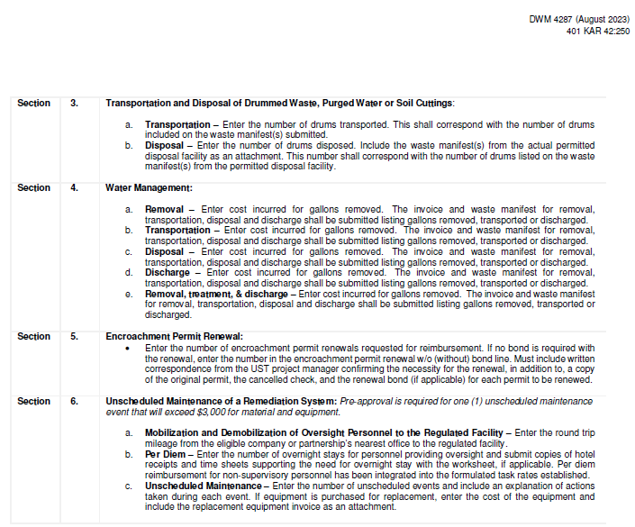
Kentucky Department for Environmental Protection Division of Waste Management Underground Storage Tank Branch 300 Sower Boulevard, Second Floor - Frankfort KY 40601 (502) 564-5981 |  |  |  |  |  |  |  |  | FOR OFFICIAL USE ONLY - DO NOT WRITE IN THIS SPACE

 |  |  |  |  |  |  |  |  | Claim Number:
 |  |  |  |  |  |  |  |  | Obligation Number:
UST Miscellaneous Tasks Reimbursement Worksheet
General Information
Agency Interest Number (AI) |  |  |  |  |  |  | Application Number

1. Disposal of Soil and Water from Within the Excavation Zone, Contaminated above Applicable Screening Levels at the Time of Permanent Closure

 | Submit manifests and receipts
a. | Transportation and Disposal or Treatment of Contaminated Material at a Permitted Facility
 |  |  | tons | x | $84.00 | = | $0.00 | (within 50 miles)
 |  |  | tons | x | $103.00 | = | $0.00 | (50 to 100 miles)
 |  |  | tons | x | $122.00 | = | $0.00 | (over 100 miles) |  | $0.00

b. | Purchase and Transportation of Backfill Material
 | From Borrow Area |  | tons | x | $16.00 | = | $0.00 | (only allowed if soil is disposed at a landfill)
 |  |  | tons | x | $34.00 | = | $0.00 | (within 50 miles)
 |  |  | tons | x | $43.00 | = | $0.00 | (50 to 100 miles)
 |  |  | tons | x | $52.00 | = | $0.00 | (over 100 miles) |  | $0.00

c. | Transportation of Contaminated Water Removed from Within the Excavation Zone
 |  |  |  | cost | + | 15% | = | $0.00 |  | $0.00

d. | Disposal or Treatment of Pit Water or Groundwater at a Permitted Facility
 |  |  |  | cost | + | 15% | = | $0.00 |  | $0.00

2. Initial Abatement

a. | Mobilization and Demobilization of Oversight Personnel to the Regulated Facility
 |  |  | miles | x | $2.85 | = | $0.00 | Personnel Oversight |  | $0.00
 |  | (round trip(s)) |  |  |  | maximum | $2,850.00

 |  | The one way mileage from the contractors office to the facility is __________ miles.

b. | Initial and Immediate Response

 |  |  |  |  |  |  | $0.00
 |  |  |  |  |  |  | $0.00
 |  |  |  |  |  |  | $0.00 |  |  | $0.00
 |  | Actual Costs |  |  |  | maximum | $20,000.00 |  | (Provide Invoice)

3. Transportation and Disposal of Drummed Waste, Purge Water, or Soil Cuttings

 | Submit manifests and receipts
 | Transportation |  | drums | x | $149.00 | = | $0.00

 | Disposal |  | drums | x | $286.00 | = | $0.00 |  |  | $0.00

4. Water Management

a. | Removal
 |  |  |  | cost | + | 15% | = | $0.00 |  | $0.00
 |  |  | Actual costs

b. | Transportation
 |  |  |  | cost | + | 15% | = | $0.00 |  | $0.00
 |  |  | Actual costs

c. | Disposal
 |  |  |  | cost | + | 15% | = | $0.00 |  | $0.00
 |  |  | Actual costs

d. | Discharge
 |  |  |  | cost | + | 15% | = | $0.00 |  | $0.00
 |  |  | Actual costs

e. | Removal, treatment & discharge
 |  |  |  | cost | + | 15% | = | $0.00 |  | $0.00
 |  |  | Actual costs

5. Encroachment Permit Renewal (must be approved/directed in writing prior to renewal)

 |  | Encroachment Permit Renewal |  | x | $237.00 | = | $0.00
 |  | Encroachment Permit Renewal w/o Bond |  | x | $67.00 | = | $0.00

6. Unscheduled Maintenance of Remediation System

a. | Mobilization and Demobilization of Oversight Personnel to the Regulated Facility

 |  |  | miles | x | $2.85 | = | $0.00 | Personnel Oversight |  | $0.00
 |  | (round trip(s)) |  |  |  | maximum | $2,850.00

 |  | The one way mileage from the contractors office to the facility is __________ miles.

b. | Per Diem

 |  |  | day(s) | x | $217.00 | = | $0.00
 |  | (number of days of overnight stay)
 |  | 0 | day(s) | x | $86.00 | = | $0.00 | Additional mileage |  | $0.00
 |  | (number of days of overnight stay)

c. | Unscheduled Maintenance
 |  |  |  | cost | + | 15% | = | $0.00 |  | $0.00
 |  |  | Actual costs

 |  |  |  |  |  |  |  |  | TOTAL | $0.00

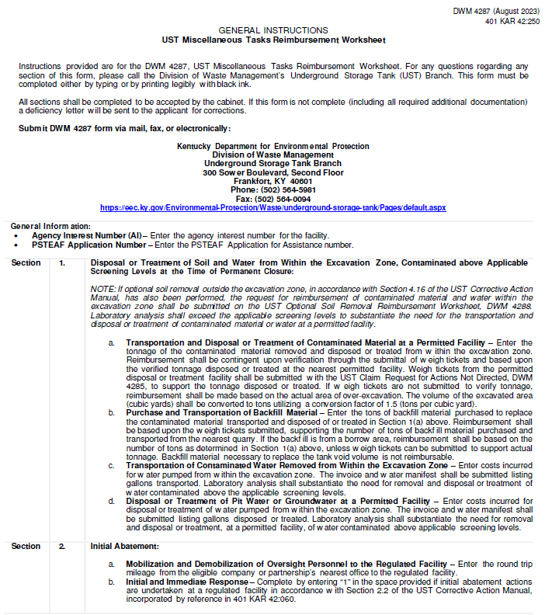

 |  |  |  |  |  |  |  |  |  |  | Each Extra

